Tasks
User Story | Task Number | Name | Dependency | Story Points | Description
9 | 26 | Create query for top 10 languages of service |  | 2 | Get total count for all languages from NeedsAccessRef
10 | 27 | Create sample pre-set queries as a drop down |  | 3 | Build a list of pre-set queries and provide it as a drop down so that users can select a template instead of having to type the names. This will reduce chances of running into errors due to typos.
10 | 28 | Run queries for selected template |  | 3 | Reading data for a user's selected template.
10 | 29 | Creating a form to help users run queries |  | 3 | Adding a form into the system to let users run queries on the database and use the data in report generation.
11 | 30 | Save queries into the system | 28 | 3 | Adding a save feature so that each time a user runs a query, it gets saved into the system for future use.
12 | 31 | Create report generation feature |  | 5 | Generate a report based on the template provided by a user and save this data in a file.
12 | 32 | CSV download |  | 5 | Download a csv file generated base on the queries run and let the user save it as a csv file
This sprint will focus on the core functionality of the system (running queries, saving queries, report generation), hence the variation of the stories numbers. Our anticipation is that, after this sprint, we should have the core functionality done and all that would be left is covering all of our test cases and other smaller tasks such as permission-based actions.

Plan
User Stories | Tasks | Dependency | Story Points | 1 | 2 | 3 | 4 | 5 | 6 | 7
9 | 26 |  | 2 | Michael:2
10 | 27 |  | 3 | Jacob:1 | Jacob:1 | Jacob:1
10 | 28 |  | 3 | Jerry 1 | Jerry:2
10 | 29 |  | 3 | Gurpreet:1 | Gurpreet:2
11 | 30 | 28 | 3 |  | Jacob:2 | Jacob:1
12 | 31 |  | 5 |  |  |  | Jerry:2 |  | Jerry:3
12 | 32 |  | 5 |  |  |  |  |  | Jacob:2 | Jacob:3
For the sprint plan, we know that this week will be very heavy as we all have upcoming assignments and midterms, especially Jerry as he has 3 midterms this week. Thus, we have planned to do little, more important pieces towards the beginning of the week so that we are in good shape towards the end, where we will all be busy.

Execution
User Stories | Tasks | Dependency | Story Points | 1 | 2 | 3 | 4 | 5 | 6 | 7
9 | 26 |  | 2 | Michael: 1 | Michael:1
10 | 27 |  | 3 | Jacob:2 | Jacob:1
10 | 28 |  | 3 | Jerry:3
10 | 29 |  | 3 | Gurpreet:1 |  | Gurpreet:1 | Gurpreet:1
11 | 30 | 28 | 3 |  |  | Jacob:3
12 | 31 |  | 5 |  |  |  | Jacob:2 | Jacob:3
12 | 32 |  | 5 |  |  |  |  |  | Jacob:4 | Jacob:1

Having completed the sprint, we managed to complete all tasks that were assigned, by sticking with our strategy of completing the important tasks towards the beginning of the week. We will continue to work as we did this week in our next sprint.

Burndown Chart
 | 0 | 1 | 2 | 3 | 4 | 5 | 6 | 7
Provisional | 24 | 22 | 16 | 10 | 10 | 10 | 5 | 0
Actual | 24 | 21 | 16 | 13 | 10 | 5 | 5 | 0
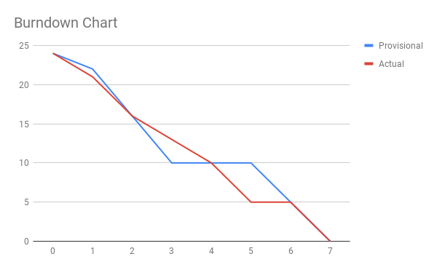
As explained in the sprint plan, we tried to push the majority of our crucial work towards the beginning of the week as we had a lot of other assignments that required our time. We followed the sprint plan as best as we could and completed all of the user stories that we planned to in our execution.

